Sheet1
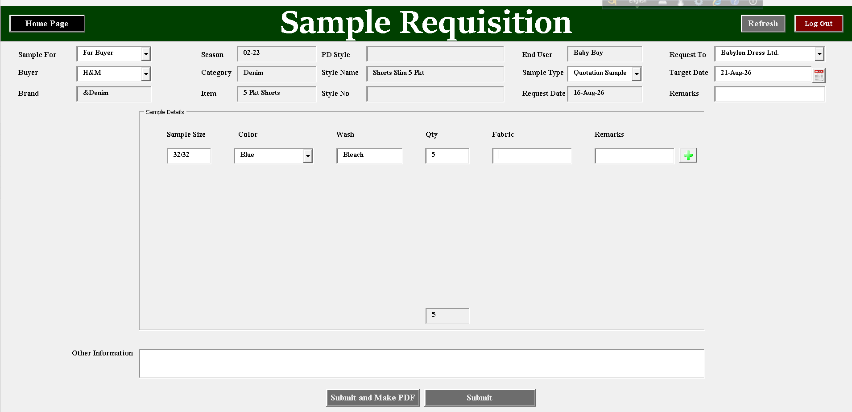
Sample Reques From

 |  |  |  |  |  |  |  | Yellow colors are entry
Headers
Buyer | H&M |  |  |  |  | Request date | Default date
Brand | & Denim |  |  |  |  | End User | Man
Season | AW27 |  |  |  |  | Item | 5 Pkt Long Trs
PD Style | MJ-2345 |  |  |  |  | Sample Type | Quotation Sample
Style Name | ABCD Trs |  |  |  |  | Request to | Babylon Denim | যদি একটা কোম্পানির একাধিক স্যাম্পল ইউনিট থাকে
Style No | HM-23123 |  |  |  |  | Target Submission Date | 2026-08-20

Sample Size | Color | Wash | Fabric | Sample Qty | Half body Qty | Tube Qty | Remarks
32/32 |  | Bleach | MDL-324 | 5 | 2 | 3
32/32 |  | Enzyme | MDL-324 | 5
34/32 |  | Acid | Shasha 5432 | 5 |  | 2

